Sheet2
Sick Leaves
Outsource
production Vs mangement
Inentive Cost
0
Month | Dec
 |  |  | Saudis | Non-Saudis
 |  | Dec | 56 | 19
$7,255.00
75
0
Over Time Cost
 |  |  | # Headcount
 |  | Dec | 75
Late Hours
$5,340.00
Part Timers
298
Payroll
 |  |  | % Saudization
 |  | Dec | 74.67%

74.67%
87
$273,862.42
 |  |  | # Sick Leave
 |  | Dec | 0
Employees Aged >50
Corrective Actions
Contract Termination
Probation Period Ter.
Training Hours
Trained Employees
7
0
0
0
0
2
 |  |  | # Hours Late
 |  | Dec | 87

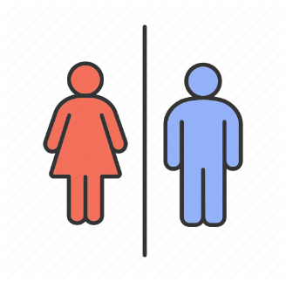
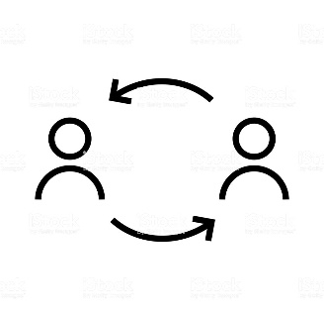
Turnover
Retired Employees
Leavers < 3 Years
Average Age
 |  |  | # Unpaid Leaves | # Employees Aged >50 | % Of Females | Male
 |  | Dec | 25 | 7 | 11 | 64
1.00%
70%
85%
0
35
Automated Processes
Training Effectiveness
11
64
 | 0 | 2
 |  | 73
 |  |  | $ Incentive | # Corrective Actions | Avg Age | # Leavers With Service Less Than 3 Years | # Retried Employees
 |  | Dec | $7,255.00 | 0 | 35 | 0 | 35
 |  |  |  |  |  |  |  |  |  | 18
 |  |  |  |  |  |  |  |  |  | 17
HR BudgetConsumption
0%
 |  |  | $ Overtime | % Employees Tenure | % Hr Expenses Vs Budget |  | # HR Headcount |  |  | 5 | 35
85%
 |  | Dec | $5,340.00 | 1.00% | 40% | 60% | 2 | 73 | 2.74% | 25
Training Plan Achievement
MP Plan Achievement
 |  |  |  |  |  |  |  |  |  | 60
HR Count
 |  |  | $ Payroll | # Contract Termination | # Probation Period Termination | # Training Hours | # Trained Employees
 |  | Dec | $273,862.42 | 0 | 0 | 0 | 2

 |  |  | # Leavers | # Joiners
 |  | Dec | 0 | 0

 |  |  | High Performers | Low Performers
 |  | Dec | 30% | 0%
 |  |  |  |  |  |  |  | 1
 |  |  | % Outsource | # Part Timers |  |  |  | 1
 |  | Dec | 0 | 298 |  |  |  | 1
 |  |  |  |  |  |  |  | 1
 |  |  |  |  |  |  |  | 1
 |  |  | % Automated Processes | 70% | 30% |  |  | 1
 |  |  | % Training Effectiveness Index | 85% | 15% |  |  | 1
 |  |  | % Training Plan Achieved' | 0% | 100% |  |  | 1
 |  |  | % Manpower Plan Achieved | 85% | 15% |  |  | 1
 |  |  |  |  |  |  |  | 1
 |  |  |  |  |  |  |  | 1
 |  |  |  |  |  |  |  | 1
 |  |  |  |  |  |  |  | 1
 |  |  |  |  |  |  |  | 1
 |  |  |  |  |  |  |  | 1
 |  |  |  |  |  |  |  | 1
 |  |  |  |  |  |  |  | 1
 |  |  |  |  |  |  |  | 1
 |  |  |  |  |  |  |  | 1
 |  |  |  |  |  |  |  | 1

